Hiearchy View
CLASS: EMERGENCY LIGHTING
a battery-backed lighting device that switches on automatically when a building experiences a power outage. |  | 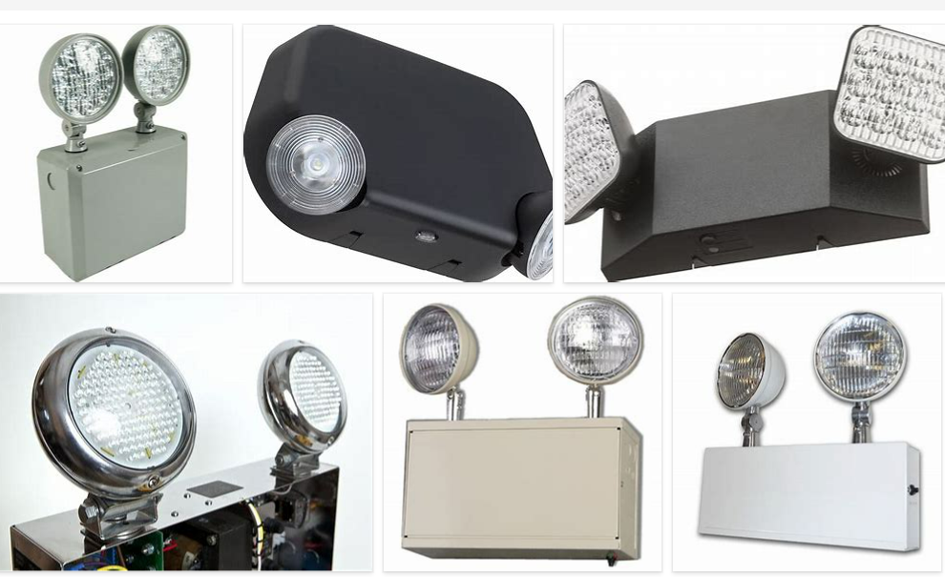
REMOVE | N

PROBLEM_DESC | CAUSE_DESC | REMEDY_DESC
ALARM/SENSOR
BROKEN/DAMAGED
LIGHTING
OTHER PROBLEM
POWER-ELEC
STOPPED/SLOWED/POOR OPS
TEMP-CTRL
Grand Total

